Профиль рев02
 | MD (m) | Inc (°) | Azi (°) | TVD (m) | TVDSS (m) | V.Sec (m) | Dogleg (°/30m) | NS (m) | EW (m) | T.Face (°) | CL (m) | Closure Distance (m) | Northing (m) | Easting (m) | Build (°/30m) | Turn (°/30m) | Section Type | Target
1 | 0.00 | 0.00 | 0.00 | 0.00 | 19.53 | 0.00 | 0.000 | 0.00 | 0.00 | 0.00 |  | 0.00 | 5219778.00 | 9489913.00 | 0.000 | 0.000 | Tie Line
2 | 320.06 | 0.00 | 0.00 | 320.06 | 339.59 | 0.00 | 0.000 | 0.00 | 0.00 | 0.00 | 320.06 | 0.00 | 5219778.00 | 9489913.00 | 0.000 | 0.000 | Straight MD
3 | 634.67 | 79.70 | 244.00 | 542.58 | 562.12 | 185.73 | 7.600 | -81.42 | -166.93 | 244.00 | 314.61 | 185.73 | 5219696.58 | 9489746.07 | 7.600 | 0.000 | Online Inc | Т_1
4 | 647.32 | 79.70 | 244.00 | 544.85 | 564.38 | 198.18 | 0.000 | -86.88 | -178.12 | 0.00 | 12.65 | 198.18 | 5219691.12 | 9489734.88 | 0.000 | 0.000 | Straight MD
5 | 692.59 | 91.29 | 244.00 | 548.40 | 567.93 | 243.24 | 7.680 | -106.63 | -218.62 | 0.00 | 45.27 | 243.24 | 5219671.37 | 9489694.38 | 7.680 | 0.000 | Online Inc | Т_1
6 | 1003.33 | 91.29 | 244.00 | 541.40 | 560.93 | 553.89 | 0.000 | -242.81 | -497.84 | 0.00 | 310.74 | 553.89 | 5219535.19 | 9489415.16 | 0.000 | 0.000 | Straight TVD | Т_2
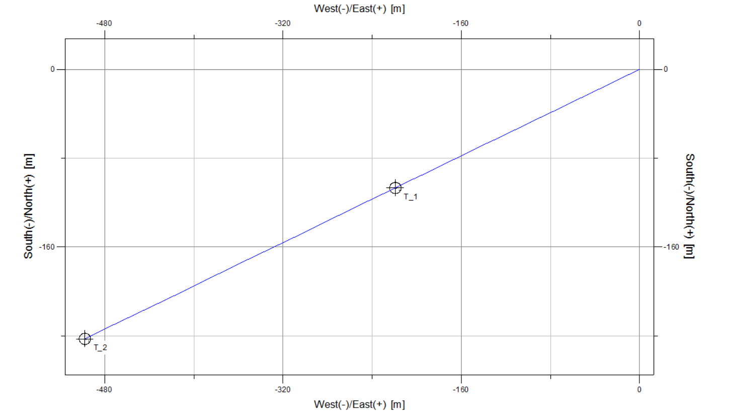
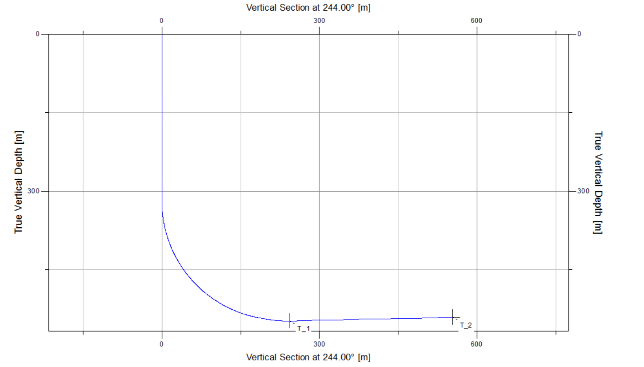
Customer | 04. КМГ-Бурение | Creation Date 1/1/1990
Project | Жанаталап | Profile Type
Field | Жанаталап | Your Ref
Structure | 282 ГС акт выноса | Job Number
Wellhead | Well #1 | Kelly Bushing Elev. | -19.53
Profile | Design #1 от 18.05.22 РК | Print Date | 5/18/2022
MD | Incl. | Azim. | Sub-Sea | TVD | Local N Coord | Local E Coord | Global N Coord | Global E Coord | Dogleg | Vertical Section
(m) | Deg. | Deg. | (m) | (m) | (m) | (m) | (m) | (m) | (dega/30m) | (m)
0.000 | 0.000 | 0.000 | 19.534 | 0.000 | 0.000 | 0.000 | 5219778.000 | 9489913.000 | 0.000 | 0.00
330.000 | 2.518 | 244.000 | 349.531 | 329.997 | -0.096 | -0.196 | 5219777.904 | 9489912.804 | 0.229 | 0.22
340.000 | 5.051 | 244.000 | 359.508 | 339.974 | -0.385 | -0.790 | 5219777.615 | 9489912.210 | 7.600 | 0.88
350.000 | 7.585 | 244.000 | 369.447 | 349.913 | -0.867 | -1.779 | 5219777.133 | 9489911.221 | 7.600 | 1.98
360.000 | 10.118 | 244.000 | 379.327 | 359.793 | -1.542 | -3.161 | 5219776.458 | 9489909.839 | 7.600 | 3.52
370.000 | 12.651 | 244.000 | 389.129 | 369.595 | -2.407 | -4.936 | 5219775.593 | 9489908.064 | 7.600 | 5.49
380.000 | 15.185 | 244.000 | 398.835 | 379.301 | -3.462 | -7.097 | 5219774.538 | 9489905.903 | 7.600 | 7.90
390.000 | 17.718 | 244.000 | 408.425 | 388.891 | -4.703 | -9.642 | 5219773.297 | 9489903.358 | 7.600 | 10.73
400.000 | 20.251 | 244.000 | 417.880 | 398.346 | -6.129 | -12.566 | 5219771.871 | 9489900.434 | 7.600 | 13.98
410.000 | 22.785 | 244.000 | 427.182 | 407.648 | -7.737 | -15.863 | 5219770.263 | 9489897.137 | 7.600 | 17.65
420.000 | 25.318 | 244.000 | 436.313 | 416.779 | -9.523 | -19.525 | 5219768.477 | 9489893.475 | 7.600 | 21.72
430.000 | 27.851 | 244.000 | 445.255 | 425.721 | -11.485 | -23.547 | 5219766.515 | 9489889.453 | 7.600 | 26.20
440.000 | 30.385 | 244.000 | 453.991 | 434.457 | -13.618 | -27.921 | 5219764.382 | 9489885.079 | 7.600 | 31.06
450.000 | 32.918 | 244.000 | 462.503 | 442.969 | -15.918 | -32.637 | 5219762.082 | 9489880.363 | 7.600 | 36.31
460.000 | 35.451 | 244.000 | 470.774 | 451.240 | -18.381 | -37.686 | 5219759.619 | 9489875.314 | 7.600 | 41.93
470.000 | 37.985 | 244.000 | 478.789 | 459.255 | -21.001 | -43.060 | 5219756.999 | 9489869.940 | 7.600 | 47.91
480.000 | 40.518 | 244.000 | 486.532 | 466.998 | -23.775 | -48.746 | 5219754.225 | 9489864.254 | 7.600 | 54.23
490.000 | 43.051 | 244.000 | 493.988 | 474.454 | -26.696 | -54.735 | 5219751.304 | 9489858.265 | 7.600 | 60.90
500.000 | 45.585 | 244.000 | 501.143 | 481.609 | -29.758 | -61.013 | 5219748.242 | 9489851.987 | 7.600 | 67.88
510.000 | 48.118 | 244.000 | 507.981 | 488.447 | -32.956 | -67.570 | 5219745.044 | 9489845.430 | 7.600 | 75.18
520.000 | 50.651 | 244.000 | 514.490 | 494.956 | -36.283 | -74.393 | 5219741.717 | 9489838.607 | 7.600 | 82.77
530.000 | 53.185 | 244.000 | 520.658 | 501.124 | -39.734 | -81.467 | 5219738.266 | 9489831.533 | 7.600 | 90.64
540.000 | 55.718 | 244.000 | 526.471 | 506.937 | -43.300 | -88.779 | 5219734.700 | 9489824.221 | 7.600 | 98.78
550.000 | 58.251 | 244.000 | 531.919 | 512.385 | -46.975 | -96.315 | 5219731.025 | 9489816.685 | 7.600 | 107.16
560.000 | 60.785 | 244.000 | 536.991 | 517.457 | -50.753 | -104.060 | 5219727.247 | 9489808.940 | 7.600 | 115.78
570.000 | 63.318 | 244.000 | 541.678 | 522.144 | -54.625 | -111.999 | 5219723.375 | 9489801.001 | 7.600 | 124.61
580.000 | 65.851 | 244.000 | 545.969 | 526.435 | -58.584 | -120.116 | 5219719.416 | 9489792.884 | 7.600 | 133.64
590.000 | 68.385 | 244.000 | 549.857 | 530.323 | -62.623 | -128.396 | 5219715.377 | 9489784.604 | 7.600 | 142.85
600.000 | 70.918 | 244.000 | 553.334 | 533.800 | -66.732 | -136.823 | 5219711.268 | 9489776.177 | 7.600 | 152.23
610.000 | 73.451 | 244.000 | 556.393 | 536.859 | -70.905 | -145.379 | 5219707.095 | 9489767.621 | 7.600 | 161.75
620.000 | 75.985 | 244.000 | 559.029 | 539.495 | -75.134 | -154.049 | 5219702.866 | 9489758.951 | 7.600 | 171.39
630.000 | 78.518 | 244.000 | 561.235 | 541.701 | -79.409 | -162.814 | 5219698.591 | 9489750.186 | 7.600 | 181.15
640.000 | 79.700 | 244.000 | 563.071 | 543.537 | -83.718 | -171.649 | 5219694.282 | 9489741.351 | 3.546 | 190.98
650.000 | 80.386 | 244.000 | 564.843 | 545.309 | -88.032 | -180.495 | 5219689.968 | 9489732.505 | 2.058 | 200.82
660.000 | 82.946 | 244.000 | 566.292 | 546.758 | -92.370 | -189.387 | 5219685.630 | 9489723.613 | 7.680 | 210.71
670.000 | 85.506 | 244.000 | 567.298 | 547.764 | -96.731 | -198.329 | 5219681.269 | 9489714.671 | 7.680 | 220.66
680.000 | 88.066 | 244.000 | 567.859 | 548.325 | -101.107 | -207.302 | 5219676.893 | 9489705.698 | 7.680 | 230.64
690.000 | 90.626 | 244.000 | 567.973 | 548.439 | -105.490 | -216.289 | 5219672.510 | 9489696.711 | 7.680 | 240.64
700.000 | 91.290 | 244.000 | 567.763 | 548.229 | -109.873 | -225.275 | 5219668.127 | 9489687.725 | 1.992 | 250.64
710.000 | 91.290 | 244.000 | 567.538 | 548.004 | -114.255 | -234.260 | 5219663.745 | 9489678.740 | 0.000 | 260.64
720.000 | 91.290 | 244.000 | 567.313 | 547.779 | -118.638 | -243.246 | 5219659.362 | 9489669.754 | 0.000 | 270.64
730.000 | 91.290 | 244.000 | 567.087 | 547.553 | -123.020 | -252.232 | 5219654.980 | 9489660.768 | 0.000 | 280.63
740.000 | 91.290 | 244.000 | 566.862 | 547.328 | -127.403 | -261.217 | 5219650.597 | 9489651.783 | 0.000 | 290.63
750.000 | 91.290 | 244.000 | 566.637 | 547.103 | -131.786 | -270.203 | 5219646.214 | 9489642.797 | 0.000 | 300.63
760.000 | 91.290 | 244.000 | 566.412 | 546.878 | -136.168 | -279.189 | 5219641.832 | 9489633.811 | 0.000 | 310.63
770.000 | 91.290 | 244.000 | 566.187 | 546.653 | -140.551 | -288.174 | 5219637.449 | 9489624.826 | 0.000 | 320.62
780.000 | 91.290 | 244.000 | 565.962 | 546.428 | -144.933 | -297.160 | 5219633.067 | 9489615.840 | 0.000 | 330.62
790.000 | 91.290 | 244.000 | 565.737 | 546.203 | -149.316 | -306.146 | 5219628.684 | 9489606.854 | 0.000 | 340.62
800.000 | 91.290 | 244.000 | 565.512 | 545.978 | -153.698 | -315.131 | 5219624.302 | 9489597.869 | 0.000 | 350.62
810.000 | 91.290 | 244.000 | 565.286 | 545.752 | -158.081 | -324.117 | 5219619.919 | 9489588.883 | 0.000 | 360.61
820.000 | 91.290 | 244.000 | 565.061 | 545.527 | -162.464 | -333.103 | 5219615.536 | 9489579.897 | 0.000 | 370.61
830.000 | 91.290 | 244.000 | 564.836 | 545.302 | -166.846 | -342.088 | 5219611.154 | 9489570.912 | 0.000 | 380.61
840.000 | 91.290 | 244.000 | 564.611 | 545.077 | -171.229 | -351.074 | 5219606.771 | 9489561.926 | 0.000 | 390.60
850.000 | 91.290 | 244.000 | 564.386 | 544.852 | -175.611 | -360.060 | 5219602.389 | 9489552.940 | 0.000 | 400.60
860.000 | 91.290 | 244.000 | 564.161 | 544.627 | -179.994 | -369.045 | 5219598.006 | 9489543.955 | 0.000 | 410.60
870.000 | 91.290 | 244.000 | 563.936 | 544.402 | -184.376 | -378.031 | 5219593.624 | 9489534.969 | 0.000 | 420.60
880.000 | 91.290 | 244.000 | 563.711 | 544.177 | -188.759 | -387.017 | 5219589.241 | 9489525.983 | 0.000 | 430.59
890.000 | 91.290 | 244.000 | 563.485 | 543.951 | -193.142 | -396.002 | 5219584.858 | 9489516.998 | 0.000 | 440.59
900.000 | 91.290 | 244.000 | 563.260 | 543.726 | -197.524 | -404.988 | 5219580.476 | 9489508.012 | 0.000 | 450.59
910.000 | 91.290 | 244.000 | 563.035 | 543.501 | -201.907 | -413.974 | 5219576.093 | 9489499.026 | 0.000 | 460.59
920.000 | 91.290 | 244.000 | 562.810 | 543.276 | -206.289 | -422.959 | 5219571.711 | 9489490.041 | 0.000 | 470.58
930.000 | 91.290 | 244.000 | 562.585 | 543.051 | -210.672 | -431.945 | 5219567.328 | 9489481.055 | 0.000 | 480.58
940.000 | 91.290 | 244.000 | 562.360 | 542.826 | -215.054 | -440.931 | 5219562.946 | 9489472.069 | 0.000 | 490.58
950.000 | 91.290 | 244.000 | 562.135 | 542.601 | -219.437 | -449.916 | 5219558.563 | 9489463.084 | 0.000 | 500.58
960.000 | 91.290 | 244.000 | 561.909 | 542.375 | -223.819 | -458.902 | 5219554.181 | 9489454.098 | 0.000 | 510.57
970.000 | 91.290 | 244.000 | 561.684 | 542.150 | -228.202 | -467.888 | 5219549.798 | 9489445.112 | 0.000 | 520.57
980.000 | 91.290 | 244.000 | 561.459 | 541.925 | -232.585 | -476.874 | 5219545.415 | 9489436.126 | 0.000 | 530.57
990.000 | 91.290 | 244.000 | 561.234 | 541.700 | -236.967 | -485.859 | 5219541.033 | 9489427.141 | 0.000 | 540.57
1000.000 | 91.290 | 244.000 | 561.009 | 541.475 | -241.350 | -494.845 | 5219536.650 | 9489418.155 | 0.000 | 550.56
1003.330 | 91.290 | 244.000 | 560.934 | 541.400 | -242.809 | -497.837 | 5219535.191 | 9489415.163 | 0.000 | 553.89

